Dashboard
HEALTHCARE-INSURANCE DATA SET

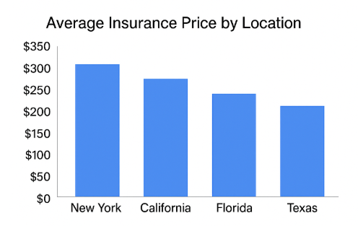
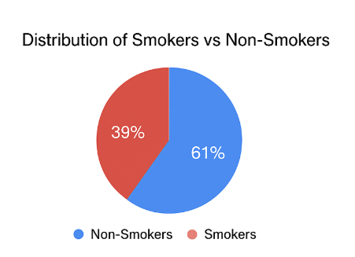
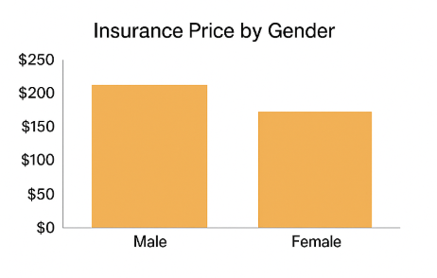

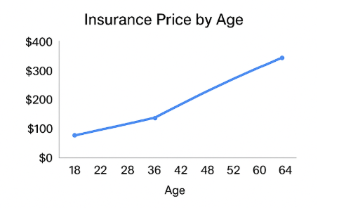

Name | Gender | Smoking Status | Location | Sum of Age | Sum of BMI | Sum of Children | Sum of Insurance Price (USD)
Leah Price | Female | Non-Smoker | Atlanta | 29 | 25.3 | 1 | 9900
 |  | Non-Smoker Total |  | 29 | 25.3 | 1 | 9900
 | Female Total |  |  | 29 | 25.3 | 1 | 9900
Leah Price Total |  |  |  | 29 | 25.3 | 1 | 9900
Olivia Hernandez | Female | Non-Smoker | Jacksonville | 29 | 23.9 | 1 | 11020
 |  | Non-Smoker Total |  | 29 | 23.9 | 1 | 11020
 | Female Total |  |  | 29 | 23.9 | 1 | 11020
Olivia Hernandez Total |  |  |  | 29 | 23.9 | 1 | 11020
Grand Total |  |  |  | 58 | 49.2 | 2 | 20920

